3.6 Fim table
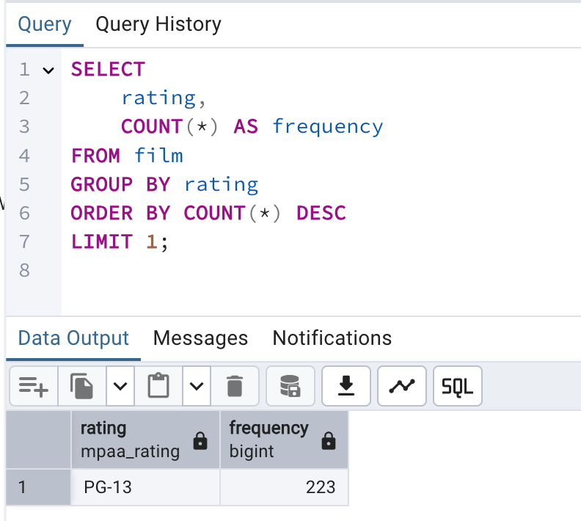
Film Table (Step 3.6)

Summary rental duration and rental rate
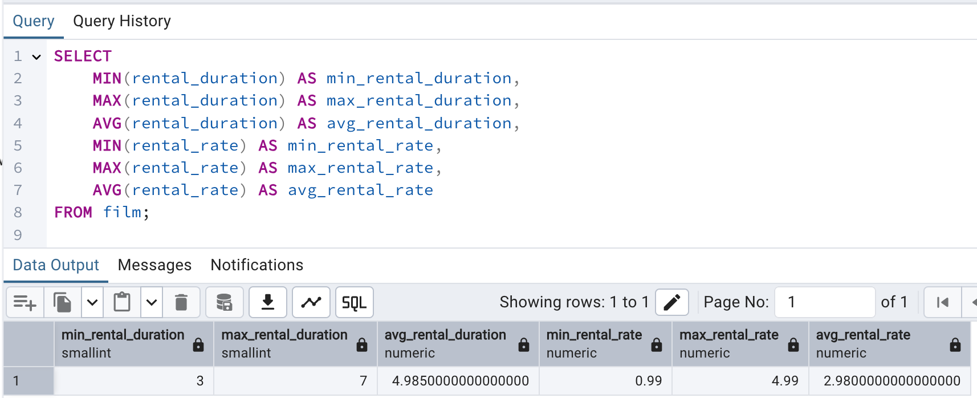

Summery rating

3.6 Customer Table
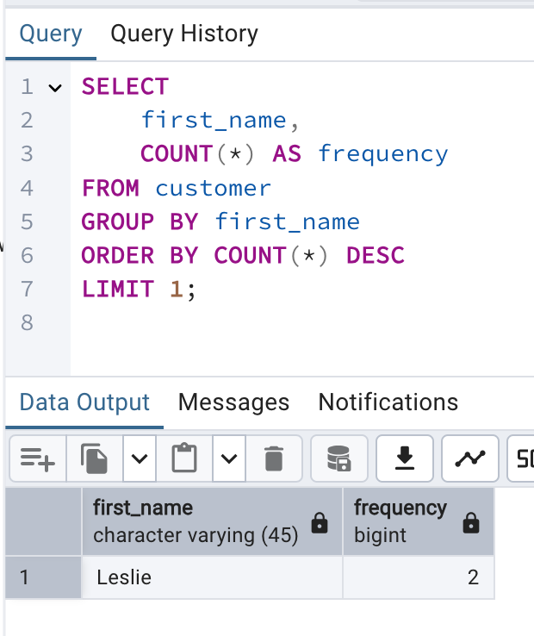
Customer Table (Step 3.6)

Summary Store ID
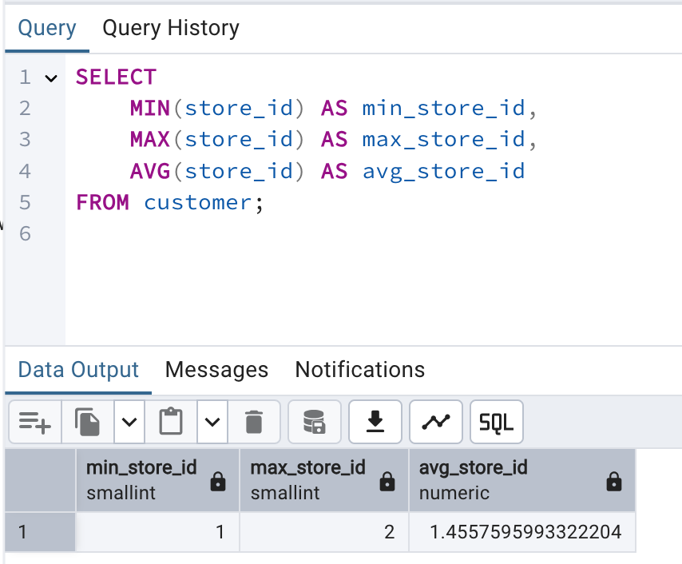

Summary First Name

3.7 10 top Countries
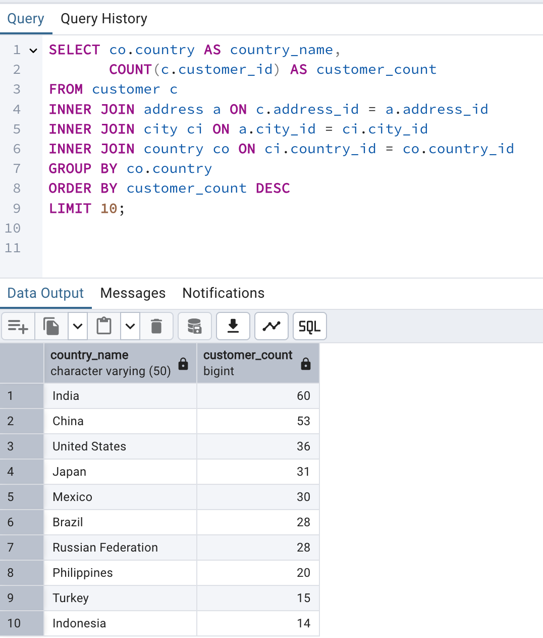
Top 10 Countries by Customer Count (Step 3.7)

3.7 10 top Cities
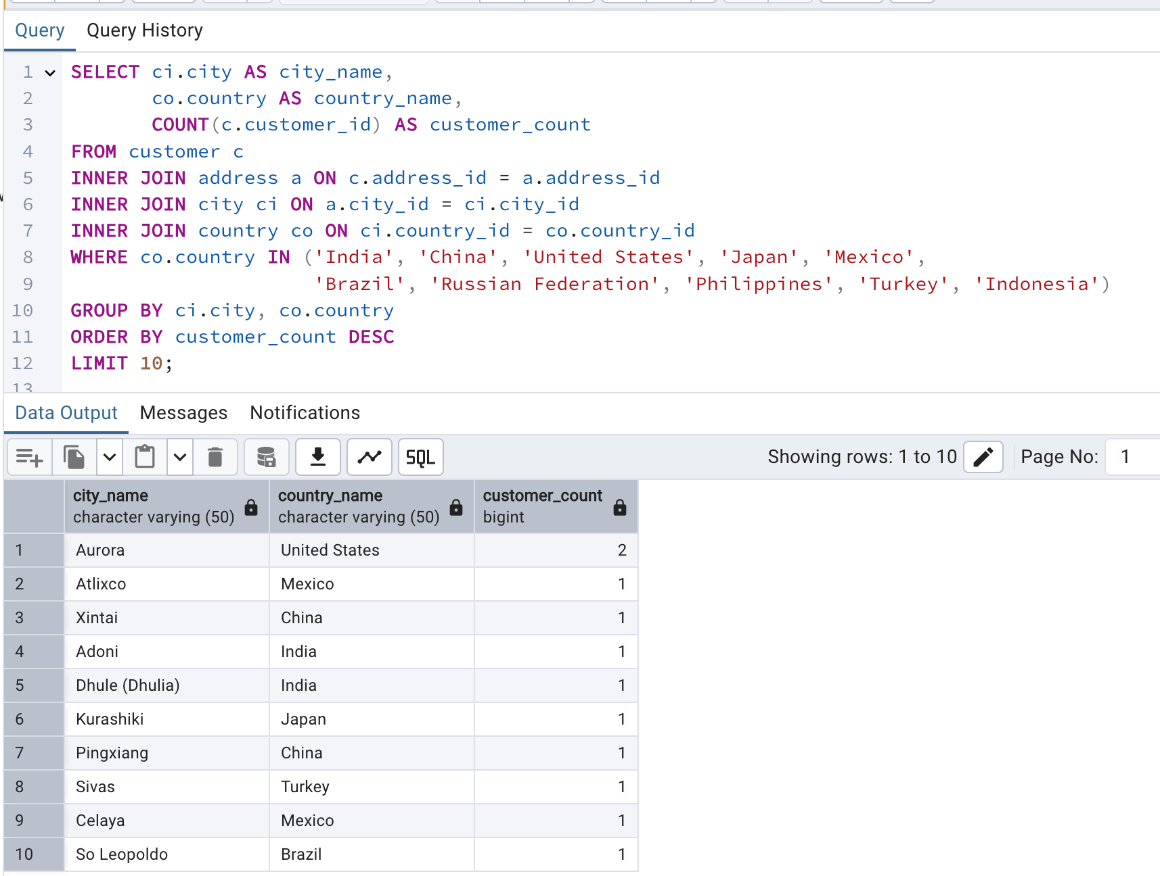
Top 10 Cities by Customer Count (Step 3.7)

5 top Customer by Tot payment
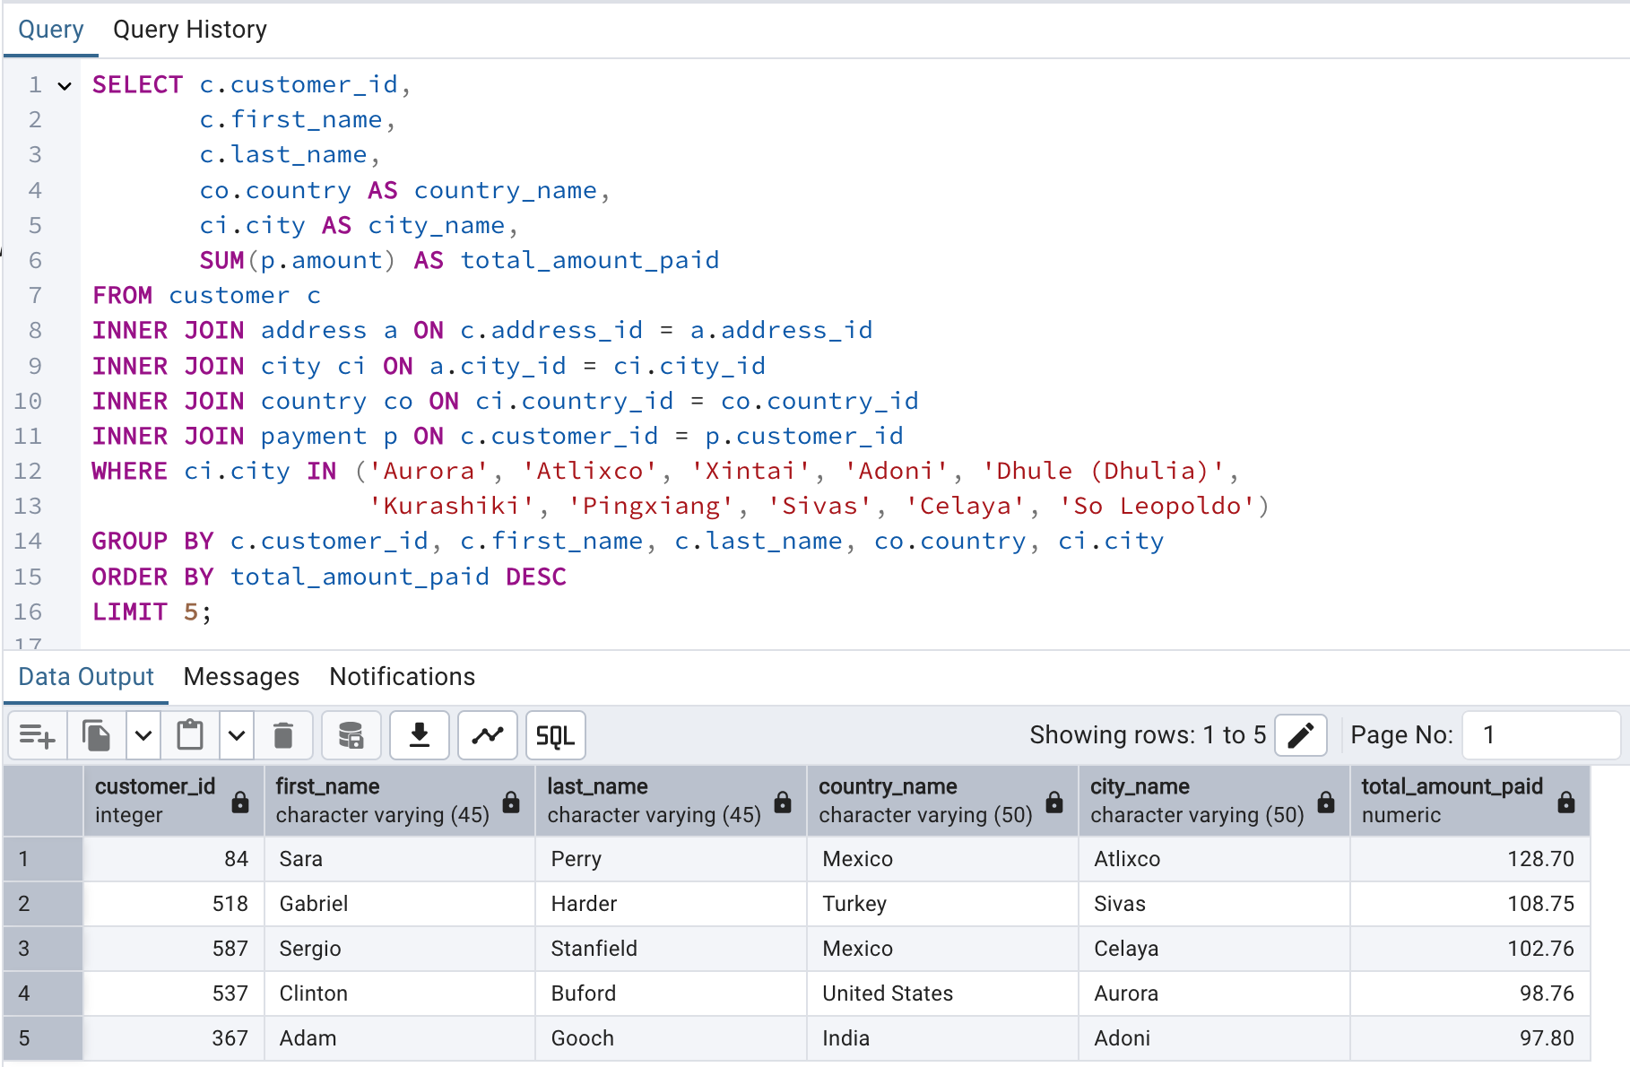
Top 5 Customers by Total Payments (Step 3.7)

